Ark1
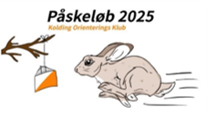
REGISTRATION FOR PÅSKELØB 2025

CLUB: | Fee all 3 days: |  | Until 20 year |  |  | DKK 345
COUNTRY: |  |  | From 21 year |  |  | DKK 450
Contact person:
E-mail: | Fee for Open classes per day: |  | Until 20 year |  |  | DKK 115
Phone: |  |  | From 21 year |  |  | DKK 150

Name | Class | SI number | ONLY Open class |  |  | Start fee
 |  |  | 17/4 | 18/4 | 19/4

Renting fee: SI bricks (No SI number = rent of SI brick)
SUM |  |  |  |  | DKK | 0

Deadline: Friday April 4, 2025. After this, only Open classes are possible on race days with extra fee.
Bank account in Sydbank:
Kolding Orienterings Klub
IBAN: DK0870400001531200
Swift: SYBKDK22
ALL fees related to the bank transfer MUST be paid by the sender.
Question can be send to: paaske2025@koldingorienteringsklub.dk

